Orbit
Password to unprotect sheets: 123

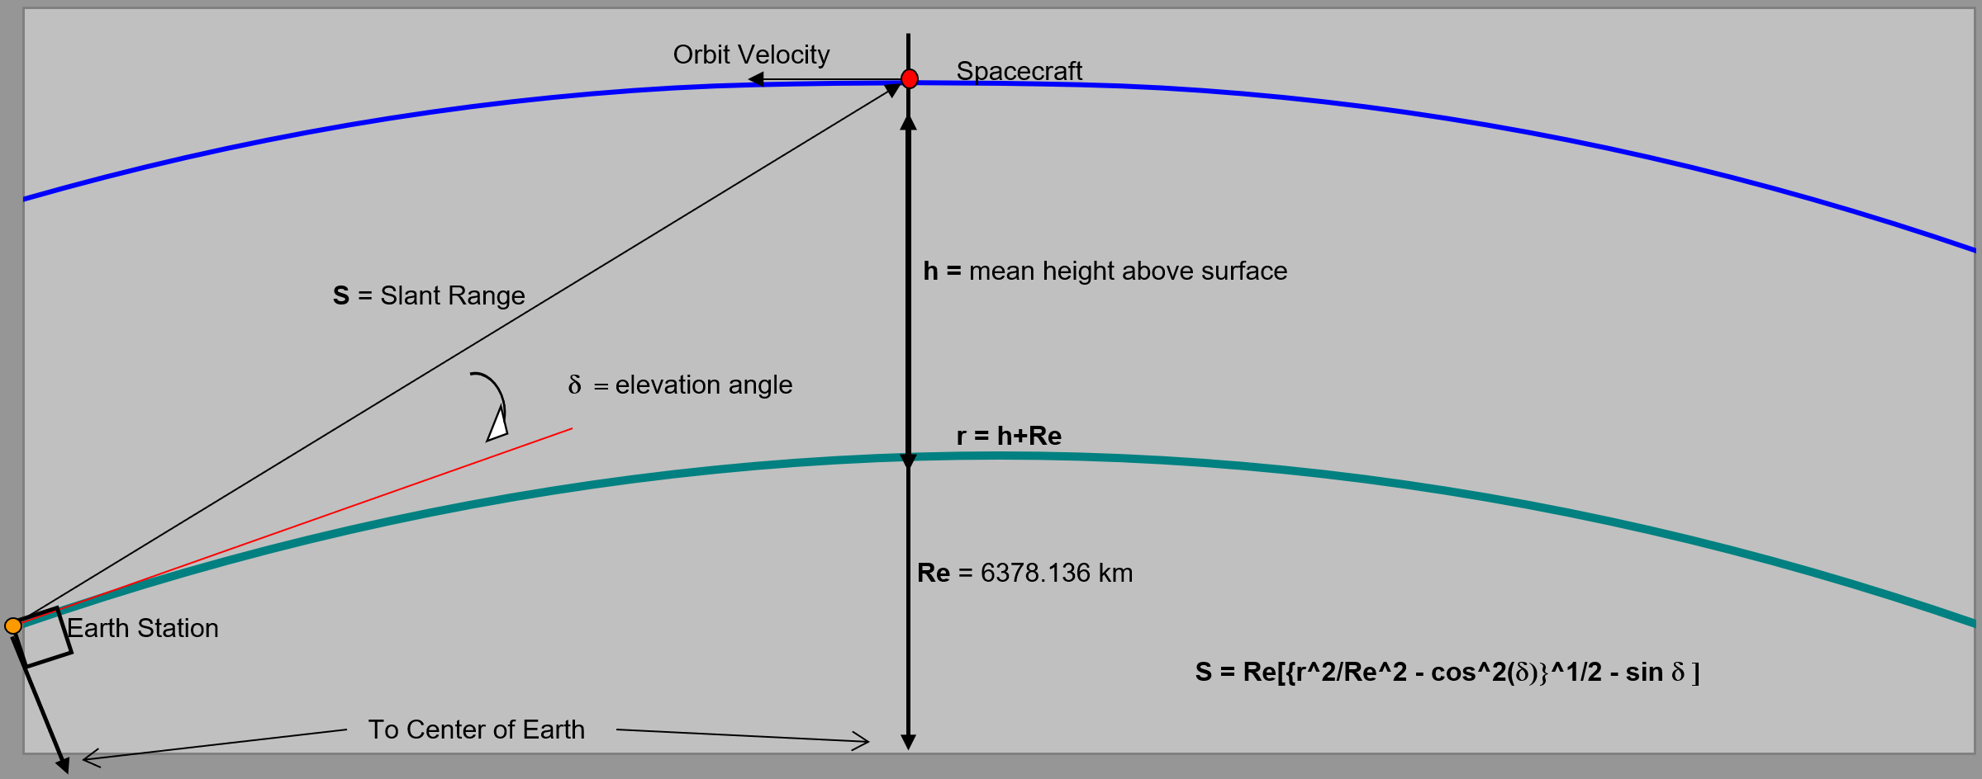

Orbit & Free-Space Path Losses

Uplink frequency & wavelength | 145.8 | MHz | 2.06 | m
Downlink frequency & wavelength | 437.305 | MHz | 0.69 | m

Satellite altitude | 408.00 | km
Radius of Earth | 6378.17 | km
GS antenna elevation angle (worst case) | 5.00 | °
Slant Range (worst case distance) | 1827.40 | km

Uplink free-space path loss | 140.96 | dB
Downlink free-space path loss | 150.50 | dB

Receivers
Password to unprotect sheets: 123

Uplink Receiver (Satellite)

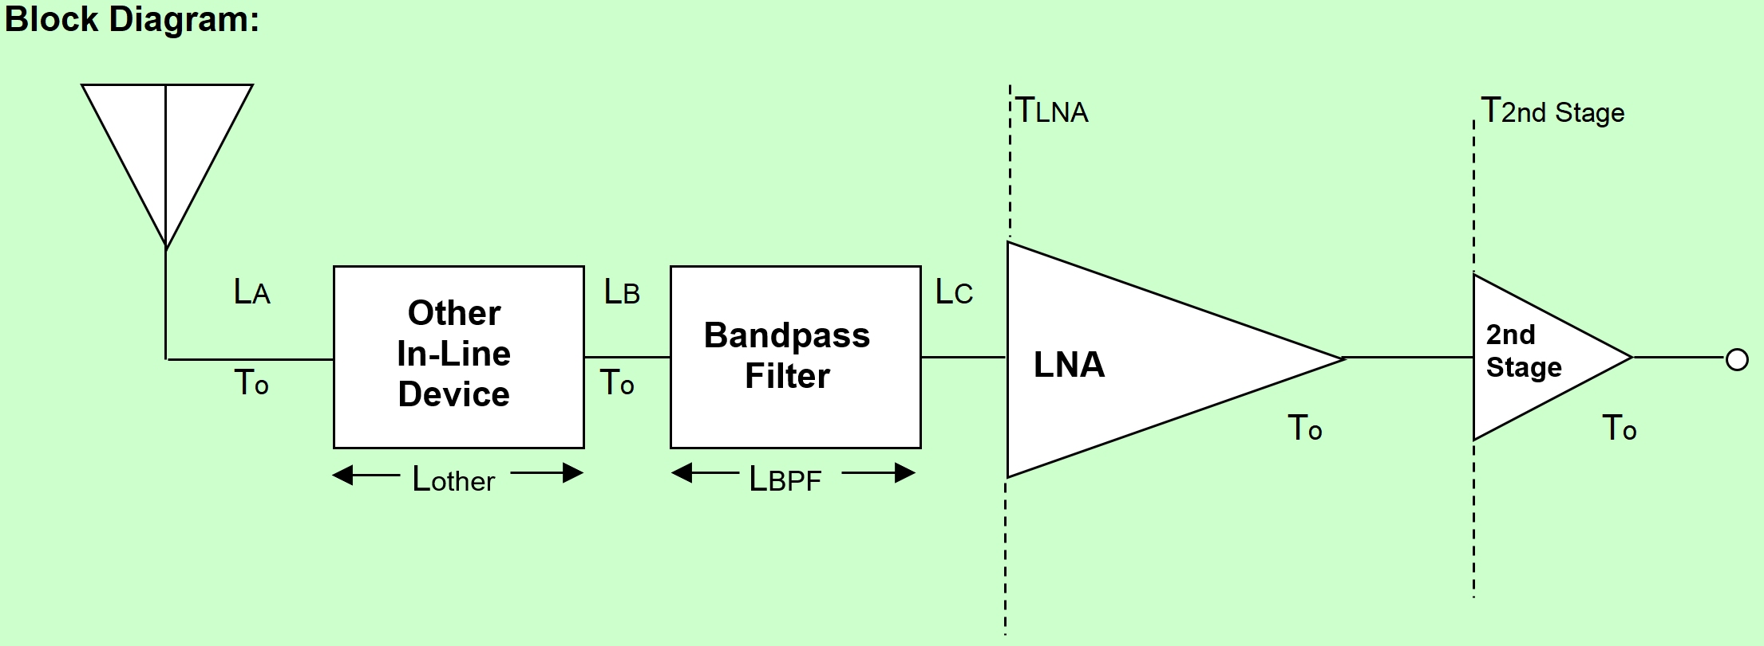

Cable Losses (A, B, C) |  |  |  | Line Lengths (A, B, C)
Cable loss/m |  | dB/m |  | Line A length |  |  | m
Total cable losses | 0.2 | dB |  | Line B length |  |  | m
 |  |  |  | Line C length |  |  | m
 |  |  |  | Total line lengths |  | 0 | m

Other Components
No. of In-Line Connectors |  |  | 0
Connector Losses |  |  | 0.2 |  |  | dB
Bandpass Filter Insertion Loss |  |  | 0 |  |  | dB
Insertion Loss of Other In-Line Devices |  |  | 0 |  |  | dB

 | Total In-Line Losses from Antenna to LNA
 | Total Losses |  | 0.4 |  | dB

Receiver Parameters
Transmission Line Coefficient |  | a | 0.91
Antenna or "Sky" Temperature |  | TA | 120 |  |  | K
Satellite Temperature |  | T0 | 290 |  |  | K
Low Noise Amp. Temperature |  | TLNA | 75 |  |  | K
Low Noise Amp. Gain |  | GLNA | 23 |  |  | dB
 |  |  | 199.53 |  |  | Linear
2nd Stage Temperature |  | T2Stage | 500 |  |  | K
System Noise Temperature |  | Tsys | 212.46 |  |  | K

Downlink Receiver (Ground Station)

Cable Losses (A, B, C) |  |  |  | Line Lengths (A, B, C)
Cable loss/m | 0.092 | dB/m |  | Line A length |  | 2.5 | m
Total cable losses | 0.29 | dB |  | Line B length |  | 0.3 | m
 |  |  |  | Line C length |  | 0.3 | m
Cable Losses (D) |  |  |  | Total line lengths |  | 3.10 | m
Cable loss/m | 0.092 | dB/m
Line D length | 25 | dB/m
Total cable losses | 2.30 | dB

Other Components
No. of In-Line Connectors |  |  | 4
Connector Losses |  |  | 0.20 |  |  | dB
Bandpass Filter Insertion Loss |  |  | 1.5 |  |  | dB
Insertion Loss of Other In-Line Devices |  |  | 0 |  |  | dB

 | Total In-Line Losses from Antenna to LNA
 | Total Losses |  | 1.99 |  | dB

Receiver Parameters
Transmission Line Coefficient |  | a | 0.63
Antenna or "Sky" Temp. |  | TA | 500 |  |  | K
Ground Station Feedline Temp. |  | T0 | 290 |  |  | K
LNA Temperature |  | TLNA | 60 |  |  | K
LNA Gain |  | GLNA | 18 |  |  | dB
 |  |  | 63.10 |  |  | Linear
Comms. Rcvr Front End Temp. |  | TComRcvr | 1000 |  |  | K
System Noise Temperature |  | Tsys | 509.87 |  |  | K

Doppler - Working
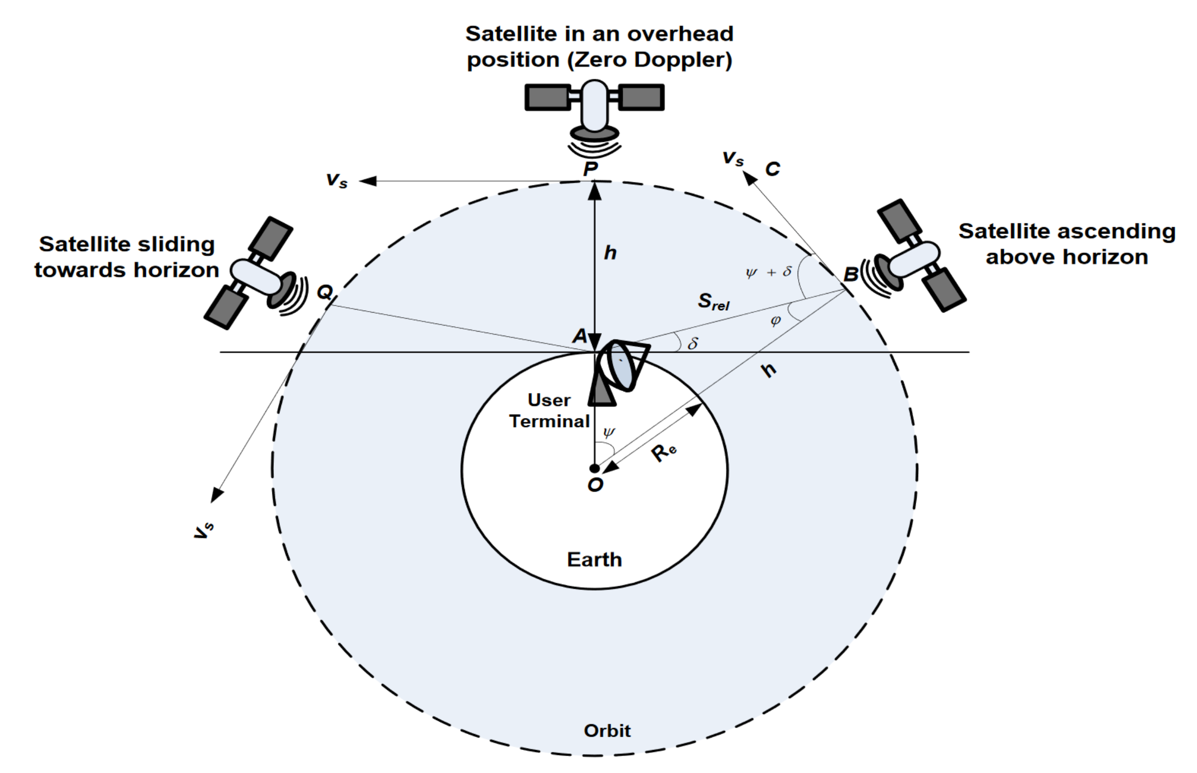

IJERT Paper Method |  |  | Simple Method
Elevation angle (f) | 5.00 | degrees | Torbit | 5560.15 | s
Satellite Coverage Angle (y) | 15.56 | degrees | dorbit | 42621661.636 | m
Satellite orbital velocity (Vs) | 7576.9968489 | m/s | vs | 7665.5596766 | m/s | 389600000000000
j | 69.44 | degrees | vr | 7204.6887659 | m/s
Sat. radial velocity relative to earth | 7094.3512678 | m/s | delta f | 10.509425226 | kHz
Doppler shift frequency | 0.010348476749 | MHz
Doppler shift frequency | 10.348476749 | kHz
Doppler shift frequency | 40.148764282 | dB

C/No Modified | 38.77 |  |  | coverage angle | 0.93630120341
 | -471.05 |  |  | coverage angle | 15.560609515 | degrees

 |  |  |  | Dopp. Shift Freq. | 40.199231906 | dB

Losses
Password to unprotect sheets: 123

Up & Downlink Atmospheric Losses

 | Losses
 | Elevation Angle |  | d | 5.0 | °
 | Uplink Loss & Downlink Loss |  | LATM | 2.1 | dB

Up & Downlink Ionespheric Losses

 | Losses
 | Uplink Loss |  | LIon. | 0.7 | dB
 | Downlink Loss |  | LIon. | 0.4 | dB

Uplink Antenna Pointing Losses

+Z

+X
-Z
 | Spacecraft
 | Antenna

Spacecraft Symmetry Axis

θ1
θ2
 |  |  | Estimated Pointing Error (q1) |  |  | 5 | °
 |  |  | GS Antenna Pointing Losses |  |  | 0.40 | dB
 |  |  | Estimated Angle (q2) |  |  | 20 | °
 |  |  | Satellite Antenna Pointing Losses |  |  | 0.30 | dB

 | Ground Station
 | Antenna

Uplink Antenna Polarization Losses

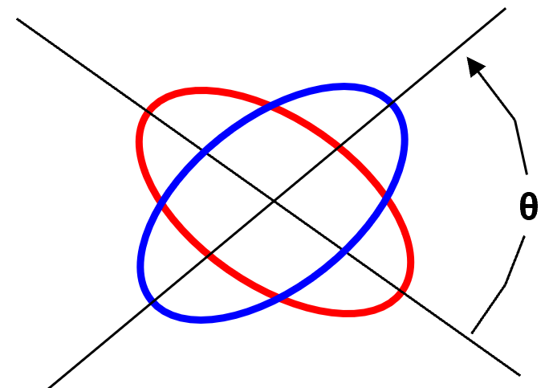
Co-Polarization Losses
Axial Ratio of Tx Ant. (GS) |  | 1 | dB
Axial Ratio of Rx Ant. (Sat.) |  | 1 | dB
Polarization Angle between Antennas |  | 90 | °
Polarization Loss |  | 0.23 | dB

Cross-Polarization Isolation
Cross-Polarization Power Fraction |  | -12.91 | dB
Cross Polarization Isolation |  | 13.14 | dB

Downlink Antenna Pointing Losses

+Z

+X
-Z
Spacecraft
Antenna

Spacecraft Symmetry Axis

θ4
θ3
 |  |  | Estimated Angle (q3) |  |  | 20 | °
 |  |  | Satellite Antenna Pointing Losses |  |  | 0.30 | dB
 |  |  | Estimated Angle (q4) |  |  | 5 | °
 |  |  | GS Antenna Pointing Losses |  |  | 0.40 | dB

Ground Station
Antenna

Downlink Antenna Polarization Losses

Co-Polarization Losses
Axial Ratio of Tx Ant. (Sat.) |  | 1 | dB
Axial Ratio of Rx Ant. (GS) |  | 1 | dB
Polarization Angle between Antennas |  | 90 | °
Polarization Loss |  | 0.23 | dB

Cross-Polarization Isolation
Cross-Polarization Power Fraction |  | -12.91 | dB
Cross Polarization Isolation |  | 13.14 | dB

